Sheet1
Credit Name: CSE3010 - Computer Science 3
Assignment Name: TicTacToe Mastery

How has your program changed from planning to coding to now? Please explain?

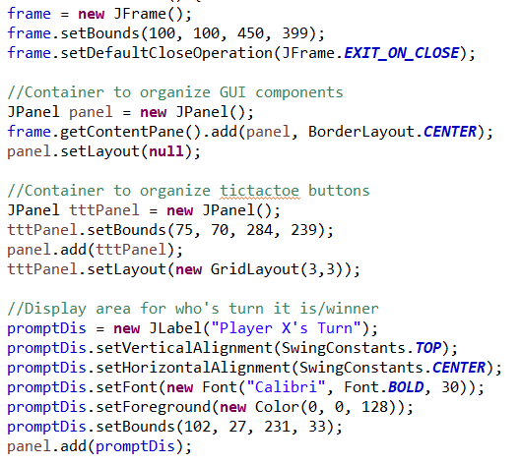
I started with what I needed to display, so I initialized an area to display who's turn it was and an area for the tic tac toe board to be. The board had to be
separate from the panel so that I could arrange it in a 3 by 3 grid pattern using GridLayout. I was confused on how to set up the board, but I was able to
figure out with the help of the textbook and google.

I first initialized variables in the main method before initializing the variables outside the main method in the class so that other methods could access the
variables. I created an array to hold all the buttons.
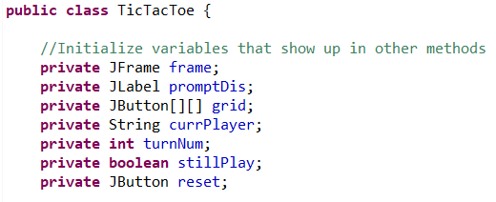

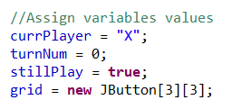

I then used a nested for loop to create a button for each space in the GridLayout, creating a 3 by 3 area of buttons, storing it in an array. The use of final
variables are needed as it stores the row and column values of every single button to be used when the button is clicked. This ensures that the postition
of the button will not change. An event handler is added to each button so that when a button is clicked, if the box is empty and the game is still ongoing,
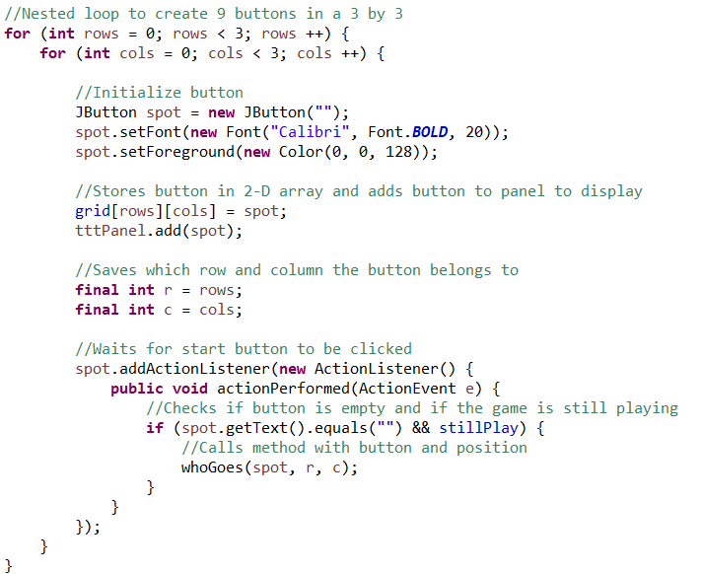
a method will be called. I used a method so that it is less messy and easier to follow along.

Using the button that was clicked and said button's row and column values, this method will keep track the number of turns. It will also display the winner,
decided using another method, or if there's a tie when the turn counter is 9 (this means all buttons are filled). When either a winner or tie occurs, a "Play Again"
button will pop up, using another method to restart the game board. If there is no winner or tie, it will switch who's turn it is and display that information. I
once again used multiple methods for the code to look less messy and to be able to organize it based on its function.
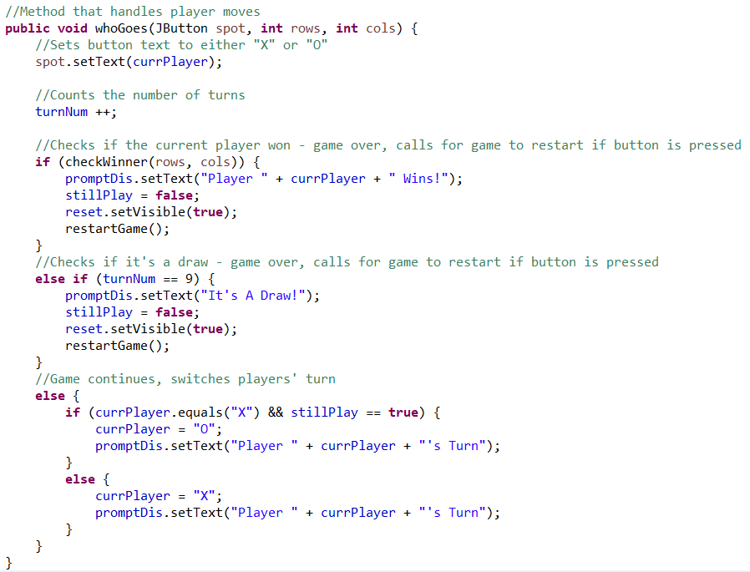

Method checks if there's a winner by taking the "last" move (runs everytime a button is clicked) and seeing if the text creates a 3 in a row. It checks horizontally,
vertically, and both diagonals for the text in the buttons to be the same.
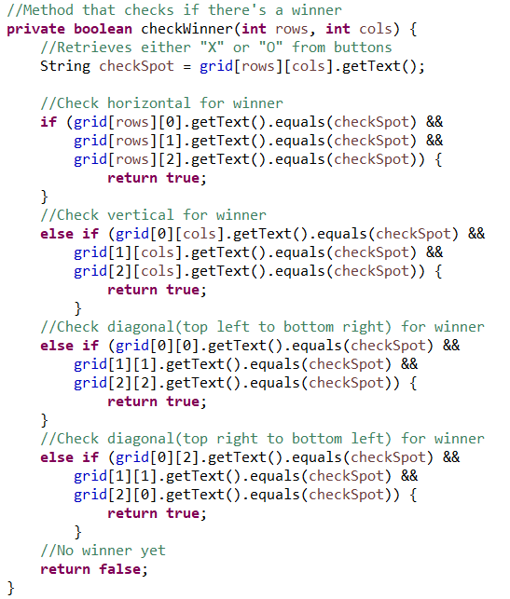

Method resets the tictactoe board and game values, allowing for the game to be played again when the "Play Again" button is clicked.
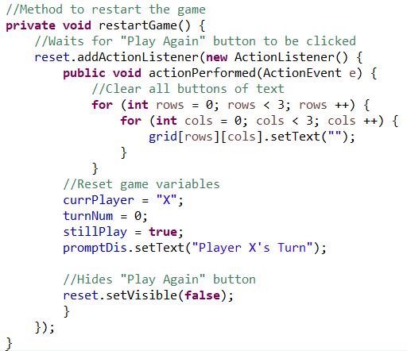

Creating the grid and figuring out the final variables was the hardest part for me. The textbook is usually my first go to as it provides examples using situations
I am likely experiencing, however sometimes it doesn't provide the answers I need. Google is helpful in many ways, but it may also not have the solution to my
very specific problem, forcing me to piece together the information I find so that my problem will hopefully be fixed. Many minor adjustments have to be made
and tests in between to make sure that everything runs smoothly. When in doubt, ask Mr.Abdalla.

